Max Profit - Clothing
A small business enterprise makes dresses and trousers. To make a dress requires 1/2 hour of cutting and 20 minutes of stitching. To make a trousers requires 15 minutes of cutting and 1/2 hour of stitching. The profit on a dress is $40 and on a pair of trousers $50.
The business operates for a maximum of 8 hours per day.
Determine how many dresses and trousers should be made to maximize profit and what the maximum profit is ...

Decision Variable | Var Name | Dresses | Trousers
 | Var Value (Chaning variable) | 12 | 8

Object Function |  | 40 | 50 |  | Max Profit | 880

Constraints |  |  |  | LHS | Sign | RHS
 | C1: Minutes of Cutting | 2 | 1 | 32 | <= | 32
 | C2: Minutes of Stitching | 2 | 3 | 48 | <= | 48
 | C3

Max Revenue - New Stores
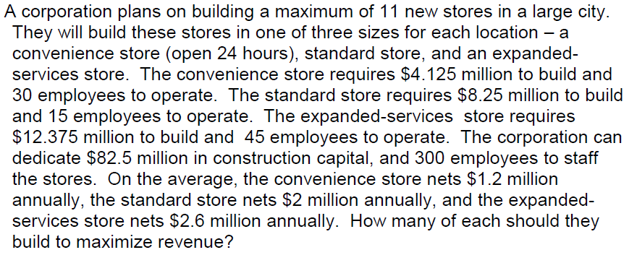

Decision Variables | Var Name | Conveniene Store | Standard Store | Expanded Services Store
 | Var Value (Changing Variable) | 2 | 9 | 0

Objective Function |  | 1200000 | 2000000 | 2600000 |  | Max Profit | 20400000

Contraings |  |  |  |  | LHS | Sign | RHS
 | C1: Building Cost | 4125000 | 8250000 | 12375000 | 82500000 | <= | 82500000
 | C2: Employees to Run | 30 | 15 | 45 | 195 | <= | 300
 | C3: Number of building to build | 1 | 1 | 1 | 11 | <= | 11

Min - Cost Diet
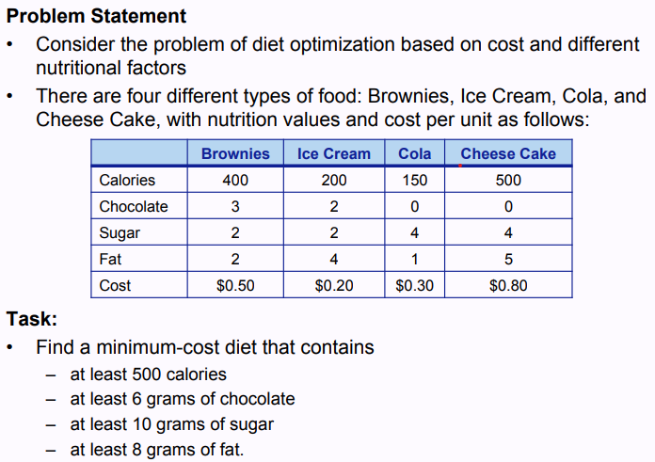

Decion Variables | Var Name | X1 (Brownies) | X2 (Ice Cream) | X3 (Cola0 | X4 (Cheese Cake)
 | Var Value (Changing Values) | 0 | 3 | 1 | 0

Objective Function |  | 0.5 | 0.2 | 0.3 | 0.8 |  | Min Cost | 0.9

Constraints |  |  |  |  |  | LHS | Sign | RHS
 | C1: Calories | 400 | 200 | 150 | 500 | 750 | >= | 500
 | C2: g of Chocolate | 3 | 2 | 0 | 0 | 6 | >= | 6
 | C3: g of Sugar | 2 | 2 | 4 | 4 | 10 | >= | 10
 | C4: g of Fat | 2 | 4 | 1 | 5 | 13 | >= | 8

Variable Cells
 |  |  | Final | Reduced | Objective | Allowable | Allowable
 | Cell | Name | Value | Cost | Coefficient | Increase | Decrease
 | $P$4 | Var Value (Changing Values) X1 (Brownies) | 0 | 0.275 | 0.5 | 1E+30 | 0.275
 | $Q$4 | Var Value (Changing Values) X2 (Ice Cream) | 3 | 0 | 0.2 | 0.18333333333 | 0.05
 | $R$4 | Var Value (Changing Values) X3 (Cola0 | 1 | 0 | 0.3 | 0.1 | 0.3
 | $S$4 | Var Value (Changing Values) X4 (Cheese Cake) | 0 | 0.5 | 0.8 | 1E+30 | 0.5

Constraints
 |  |  | Final | Shadow | Constraint | Allowable | Allowable
 | Cell | Name | Value | Price | R.H. Side | Increase | Decrease
 | $T$11 | C1: Calories LHS | 750 | 0 | 500 | 250 | 1E+30
 | $T$12 | C2: g of Chocolate LHS | 6 | 0.025 | 6 | 4 | 2.8571428571
 | $T$13 | C3: g of Sugar LHS | 10 | 0.075 | 10 | 1E+30 | 4
 | $T$14 | C4: g of Fat LHS | 13 | 0 | 8 | 5 | 1E+30

Max Profit - Food startup
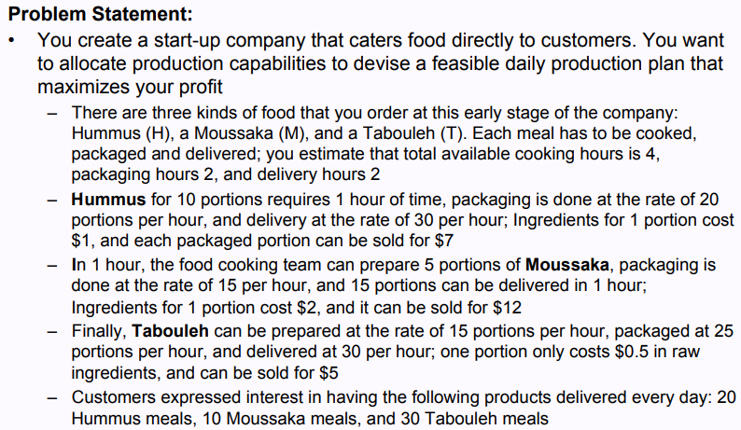

 | Decision Variables | Var Name | Humus | Mousasaka | Tabouleh
 |  | Var Value (Changing Variables) | 0 | 7.405297636 | 37.59612646

 | Objective Function |  | 6 | 10 | 4.5 |  | Max | 243.23554543

 | Constraints |  |  |  |  | LHS | Sign | RHS
 |  | C1: Cooking Hours | 0.1 | 0.2 | 0.067 | 4 | <= | 4
 |  | C2: Packing Hours | 0.05 | 0.067 | 0.04 | 2 | <= | 2
 |  | C3: Delivery Hours |  | 0.067 | 0.033 | 1.7368271148 | <= | 2
 |  | C4: Demand for Humus |  |  |  | 0 | <= | 20
 |  | C5: Demand for Mousakka |  |  |  | 0 | <= | 10
 |  | C6: Demand for Tabouleh |  |  |  | 0 | <= | 30

Variable Cells
 |  |  | Final | Reduced | Objective | Allowable | Allowable
 | Cell | Name | Value | Cost | Coefficient | Increase | Decrease
 | $Q$4 | Var Value (Changing Variables) Humus | 0 | -0.080888635716 | 6 | 0.080888635716 | 1E+30
 | $R$4 | Var Value (Changing Variables) Mousasaka | 7.405297636 | 0 | 10 | 3.4328358209 | 0.43692307692
 | $S$4 | Var Value (Changing Variables) Tabouleh | 37.59612646 | 0 | 4.5 | 1.4701492537 | 0.086060606061

Constraints
 |  |  | Final | Shadow | Constraint | Allowable | Allowable
 | Cell | Name | Value | Price | R.H. Side | Increase | Decrease
 | $T$11 | C1: Cooking Hours LHS | 4 | 28.054685275 | 4 | 1.9701492537 | 0.65
 | $T$12 | C2: Packing Hours LHS | 2 | 65.508402165 | 2 | 0.38805970149 | 0.66
 | $T$13 | C3: Delivery Hours LHS | 1.7368271148 | 0 | 2 | 1E+30 | 0.26317288522
 | $T$14 | C4: Demand for Humus LHS | 0 | 0 | 20 | 1E+30 | 20
 | $T$15 | C5: Demand for Mousakka LHS | 0 | 0 | 10 | 1E+30 | 10
 | $T$16 | C6: Demand for Tabouleh LHS | 0 | 0 | 30 | 1E+30 | 30

Max Profit - Two Models
A manufacturer produces two models M1 and M2 product. Each unit of model M1 requires 4 hours grinding and 2 hours polishing. Each unit of model M2 requires 2 hours grinding and 5 hours of polishing. The manufacturer has 2 grindings each of which works for 40 hours per week. There are 3 polishing each of which works for 60 hours per week. Profit on model M1 is Rs. 300 per unit and profit on model M2 is 400 per unit. The manufacturer has to allocate his production capacity so as to maximize his profit.

Decisiono Variables | Var Name | Model1 | Model2
 | Var Value (Changing Variables) | 10 | 20

Objective Function |  | 300 | 400 |  | Max Profit | 11000

Constraints
 | C1: Grinding Hours | 4 | 2 | 80 | <= | 80
 | C2: Polishing Hours | 2 | 5 | 120 | <= | 120

Min - Simple Transport
A company has two plants producing a certain product that is to be shipped to three distribution centers. The unit production costs are the same at the two plants, and the shipping cost per unit is shown below.
Distribution Center
1 2 3
Plant
A $4 $6 $4
B $6 $5 $2
Shipments are made once per week. During each week, each plant produces at most 60 units and each distribution center needs at least 40 units. How many units should be shipped from each plant to each distribution center, so as to minimize cost?

 |  |  | DC1 | DC2 | DC3
 |  | Plant A | 4x1 | 6x2 | 4x3 | 60
 |  | Plant B | 6x4 | 5x5 | 2x6 | 60
 |  |  | 40 | 40 | 40

Decision Variables | Var Name | x1 | x2 | x3 | x4 | x5 | x6
 | Var Value (Changing | 40 | 20 | 0 | 0 | 20 | 40

Objective |  | 4 | 6 | 4 | 6 | 5 | 2 |  |  | Min | 460

Constraints |  |  |  |  |  |  |  | LHS | Sign | RHS
 | C1: Plant A at least 60 units | 1 | 1 | 1 |  |  |  | 60 | >= | 60
 | C2: Plant B at least 60 Units |  |  |  | 1 | 1 | 1 | 60 | >= | 60
 | C3: D1 | 1 |  |  | 1 |  |  | 40 | >= | 40
 | C4: D2 |  | 1 |  |  | 1 |  | 40 | >= | 40
 | C5: D3 |  |  | 1 |  |  | 1 | 40 | >= | 40

Min - Trasnsport Refridgerators
A distributor receives orders for some new side-by-side refrigerators from stores X and Y. Those refrigerators are available in warehouses A and B. Store X needs at least 100 refrigerators, and Store Y needs at least 150 refrigerators. Warehouse A can supply at least 200 refrigerators, and Warehouse B can supply at least 100 refrigerators. It costs $50 per refrigerator to ship from A to X, $60 per refrigerator to ship from A to Y, $50 per refrigerator to ship from B to X, and $40 per refrigerator to ship from B to Y.
How many refrigerators does the distributor send to the different
stores from which warehouse to fulfill the orders and minimize the total cost?

 |  |  |  |  |  |  |  |  |  | Store X | Store Y
 |  |  |  |  |  |  |  |  | Warehouse A | 50x1 | 60x2 | 200
 |  |  |  |  |  |  |  |  | Warehouse B | 50x3 | 40x4 | 100
 |  |  |  |  |  |  |  |  |  | 100 | 150

Decsion Variables | Var Name | AX (x1) | AY (x2) | BX (x3) | BY (x4)
 | Var Value (Changing Variables) | 150 | 50 | 0 | 100

Objective Function |  | 50 | 60 | 50 | 40 |  | Min | 14500

Constraing |  |  |  |  |  | LHS | Sign | RHS
 | C1: Store X | 1 |  | 1 |  | 150 | >= | 100
 | C2: Store Y |  | 1 |  | 1 | 150 | >= | 150
 | C3: Warehouse A | 1 | 1 |  |  | 200 | >= | 200
 | C4: Warehouse B |  |  | 1 | 1 | 100 | >= | 100

Min - Transport OJ
Tropicsun is a leading grower and distributor of fresh citrus products with three large citrus groves scattered around central Florida in the cities of Mt. Dora, Eustis, and Clermont. Tropicsun currently has 275,000 bushels of citrus at the grove in Mt.Dora, 400,000 bushels at the grove in Eustis, and 300,000 bushels at the grove in Clermont. Tropicsun has citrus processing plants in Ocala, Orlando, and Leesburg
with processing capacities to handle 200,000, 600,000, and 225,000 bushels, respectively. Tropicsun contracts with a local trucking company to transport its fruit from the groves to the processing plants. The trucking company charges a flat rate for every mile that each bushel of fruit must be transported. Each mile a bushel of fruit travels is known as a bushel-mile.
Distances (in miles) Between groves and Plants grove
Ocala Orlando Leesburg
Mt. Dora 21 50 40
Eustis 35 30 22
Clermont 55 20 25
Tropicsun wants to determine how many bushels to ship from each grove to
each processing plant in order to process all the fruit while minimizing the total
number of bushel-miles the fruit must be shipped

 |  |  |  |  |  |  |  |  |  |  |  |  |  |  | Ocala | Orlando | Leesburg
 |  |  |  |  |  |  |  |  |  |  |  |  |  | Mt. Dora | 21x1 | 50x2 | 40x3 | 275000
 |  |  |  |  |  |  |  |  |  |  |  |  |  | Eustis | 35x4 | 30x5 | 22x6 | 400000
 |  |  |  |  |  |  |  |  |  |  |  |  |  | Clermont | 55x7 | 20x8 | 25x9 | 300000
 |  |  |  |  |  |  |  |  |  |  |  |  |  |  | 200000 | 600000 | 225000

Decision Variables | Var Name | x1 | x2 | x3 | x4 | x5 | x6 | x7 | x8 | x9
 | Var Value (Changing Variable) | 200000 | 0 | 75000 | 0 | 250000 | 150000 | 0 | 300000 | 0

Objective |  | 21 | 50 | 40 | 35 | 30 | 22 | 55 | 20 | 25 |  | Min | 24000000

Constraints |  |  |  |  |  |  |  |  |  |  | LHS | Sign | RHS
 | C1: Ocal Capacity | 1 |  |  | 1 |  |  | 1 |  |  | 200000 | <= | 200000
 | C2: Orlando Capacity |  | 1 |  |  | 1 |  |  | 1 |  | 550000 | <= | 600000
 | C3: Leesburg Capacity |  |  | 1 |  |  | 1 |  |  | 1 | 225000 | <= | 225000
 | C4: Mt. Dora Bushels | 1 | 1 | 1 |  |  |  |  |  |  | 275000 | = | 275000
 | C5: Eustis Bushels |  |  |  | 1 | 1 | 1 |  |  |  | 400000 | = | 400000
 | C6: Clermont Bushels |  |  |  |  |  |  | 1 | 1 | 1 | 300000 | = | 300000

